Electrical
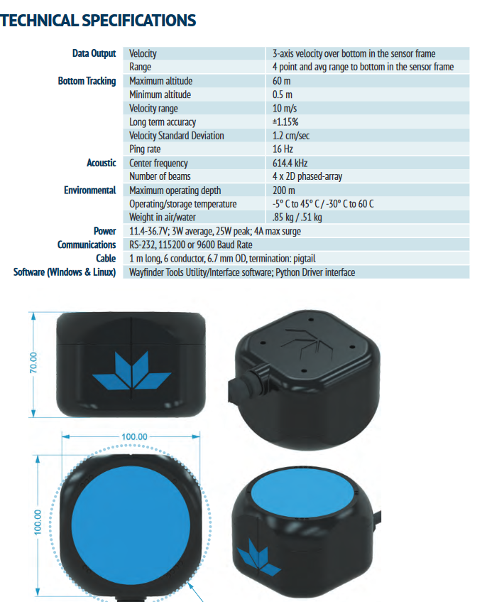
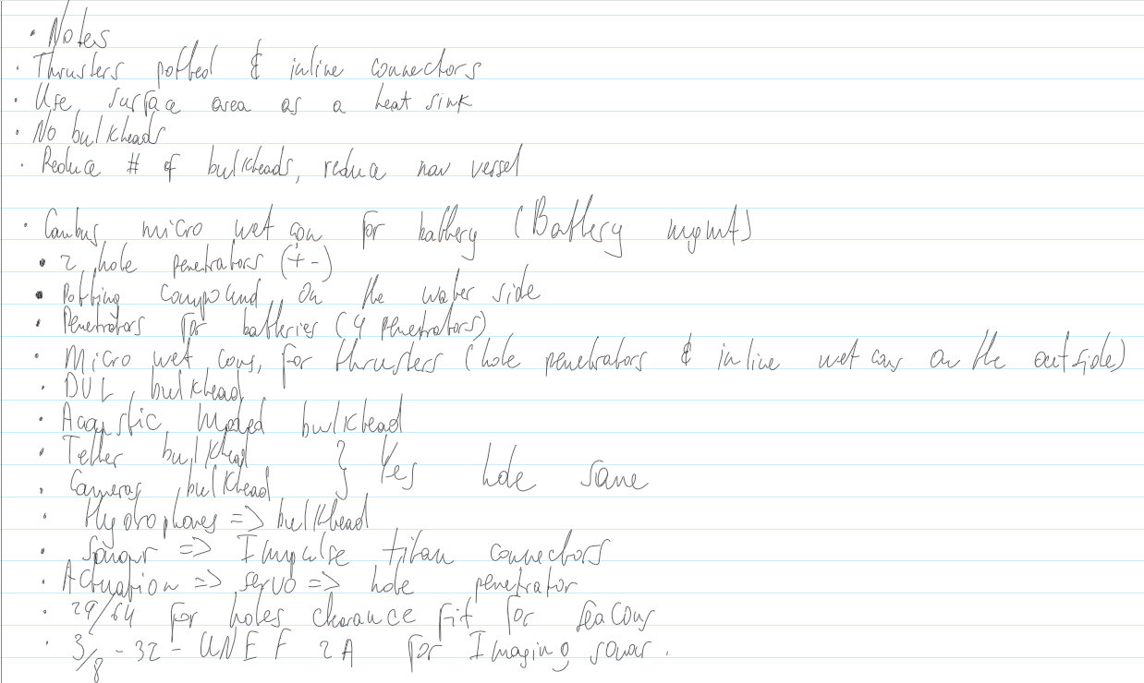
Vendor | Part Name | Part Number | Price | Quantity | Total Price | Comments | Link | Price Adjust | Ordered
Nextrox | 240W 12V Supply | THJ2412C240Z | 19.99 | 1 | 19.99 | Computers power supply | https://www.amazon.com/gp/product/B00BWKXTUU/ref=ppx_yo_dt_b_asin_title_o00_s00?ie=UTF8&psc=1
MaxAmps | 5450 6S 22.2V | Lipo-5450-222-Pack | 250 | 2 | 500 | Batteries | https://www.maxamps.com/lipo-5450-6s-22-2v-battery-pack
 |  |  |  |  | 0
 |  |  |  |  | 0
TE Connectivity | MC-BH-3-FS | MC-S030-0020 | 112.67 | 0 | 0 | Thruster Bulkhead | https://www.tti.com/content/ttiinc/en/apps/part-detail.html?mfrShortname=MOG&partsNumber=MC-S030-0020&autoRedirect=true&minQty=1
TE Connectivity | MC-IL-3-MP | MC-S063-0026 (1m) | 54.37 | 8 | 434.96 | Thruster Pigtail | https://www.tti.com/content/ttiinc/en/apps/part-detail.html?mfrShortname=MOG&partsNumber=MC-S063-0026&autoRedirect=true&minQty=1
TE Connectivity | MC-IL-3-FS | MC-S062-0006 (1m) / MC-S062-0111 (2m) | 72.49 | 8 | 579.92 | Thruster Inline Socket | https://www.tti.com/content/ttiinc/en/apps/part-detail.html?mfrShortname=MOG&partsNumber=MC-S062-0111&autoRedirect=true&minQty=1
TE Connectivity | MC-BH-8-FS | MC-S038-0024 | 108.86 | 1 | 108.86 | USB Bulkhead | https://www.tti.com/content/ttiinc/en/apps/part-detail.html?mfrShortname=MOG&partsNumber=MC-S038-0024&autoRedirect=true&minQty=1
TE Connectivity | MC-IL-8-MP | MC-S006-0045 | 76.98 | 1 | 76.98 | USB Pigtail | https://www.tti.com/content/ttiinc/en/apps/part-detail.html?mfrShortname=MOG&partsNumber=MC-S006-0045&customerPartsNumber=&customerId=0
TE Connectivity | MC-BH-6-FS | MC-S034-0237 | 124.89 | 1 | 124.89 | DVL Bulkhead | https://www.tti.com/content/ttiinc/en/apps/part-detail.html?mfrShortname=MOG&partsNumber=MC-S034-0237&autoRedirect=true&minQty=1
TE Connectivity | MC-IL-6-MP | MC-S004-0076 (1m) / MC-S004-0017 (2m) | 66.45 | 1 | 66.45 | DVL Pigtail | https://www.tti.com/content/ttiinc/en/apps/part-detail.html?mfrShortname=MOG&partsNumber=MC-S004-0076&autoRedirect=true&minQty=1
Teledyne Impulse | Impulse Titan | MKS(W)-3XL12-BCR | 295 | 1 | 295 | IMG Sonar Bulkhead | http://www.teledynemarine.com/impulse/support
Teledyne Impulse | Impulse Titan | MKS(W)-3XL12-CCP-RA to Something smaller on img sonar |  | 1 | 0 | IMG Sonar Cable | http://www.teledynemarine.com/impulse/support
MacArtney | SubConn Ethernet | DBH8M |  | 1 | 0 | Tether Bulkhead | https://ocean-innovations.net/companies/subconn/subconn-ethernet-series/subconn-ethernet-circular-8-contacts/
MacArtney | SubConn Ethernet | DIL8M |  | 1 | 0 | Tether Pigtail | https://ocean-innovations.net/companies/subconn/subconn-ethernet-series/subconn-ethernet-circular-8-contacts/
TE Connectivity | MC-BH-5-FS | MC-S030-0020 | 112.67 | 3 | 338.01 | CAN Bulkhead | https://www.tti.com/content/ttiinc/en/apps/part-detail.html?mfrShortname=MOG&partsNumber=MC-S030-0020&autoRedirect=true&minQty=1
TE Connectivity | MC-IL-5-MP | MC-S002-0089 (1m) / MC-S002-0028 (2m) | 76.39 | 3 | 229.17 | CAN Pigtail | https://www.tti.com/content/ttiinc/en/apps/part-detail.html?mfrShortname=MOG&partsNumber=MC-S002-0089&autoRedirect=true&minQty=1
Blue Robotics | M10 8mm Penetrator | PENETRATOR-M-BOLT-8MM-10-25-R2-RP | 5 | 4 | 20 | Battery Penetrator
Blue Robotics | M10 4mm Penetrator | PENETRATOR-M-BOLT-5MM-10-25-R2-RP | 4 | 4 | 16 | Servo Penetrator

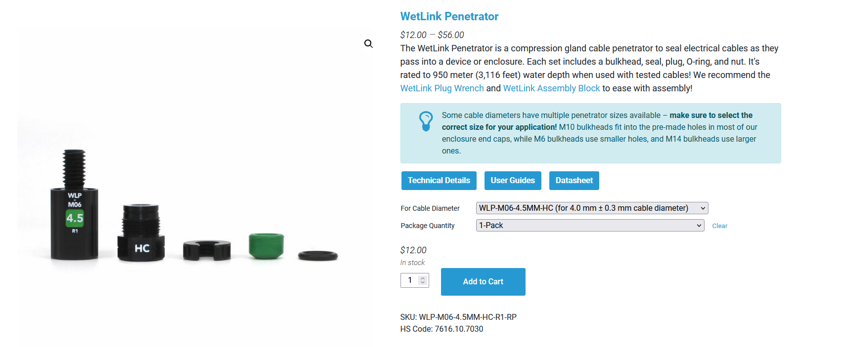
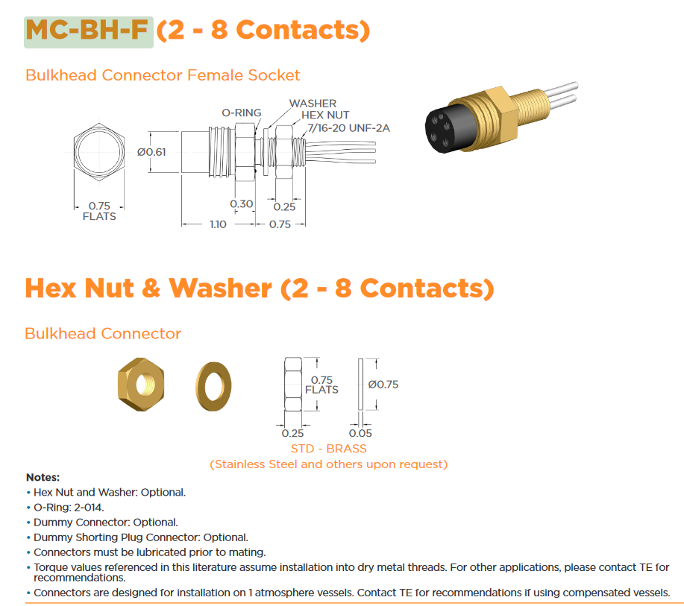

 |  |  |  |  |  |  | https://bluerobotics.com/store/cables-connectors/penetrators/vent-asm-r1/

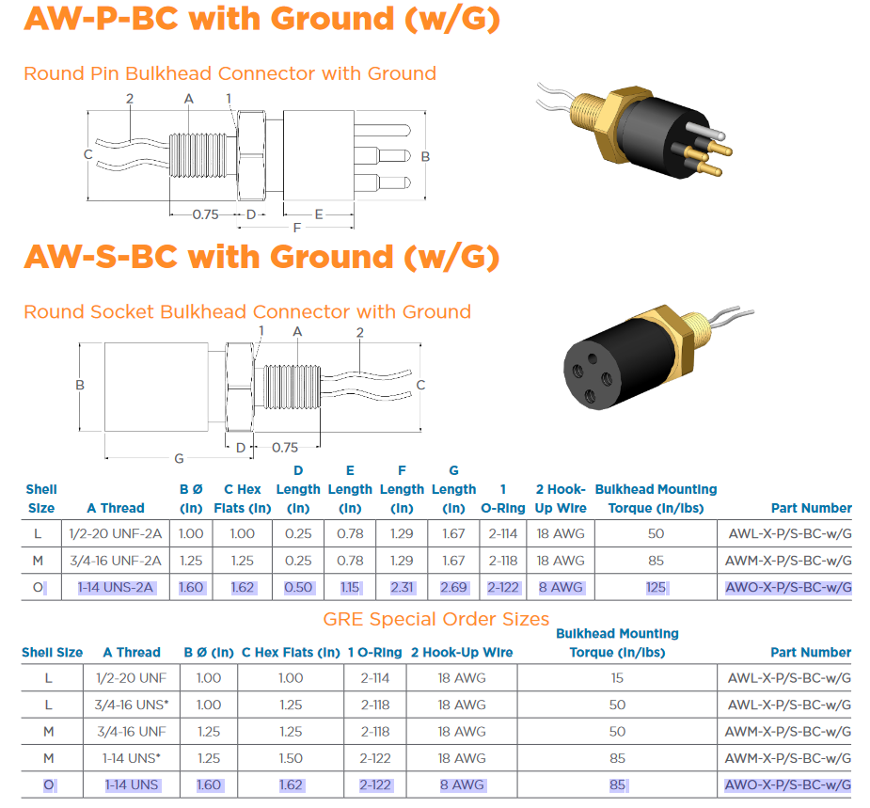

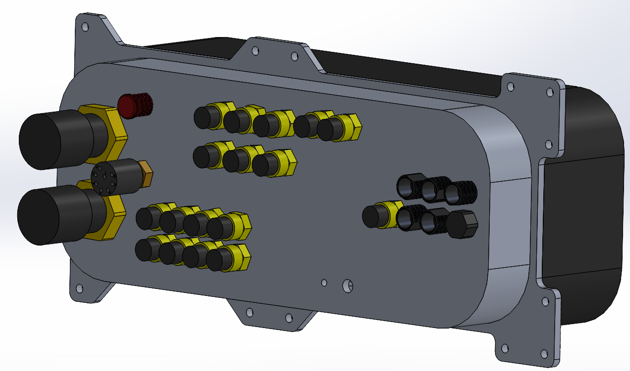
 |  |  |  |  |  |  |  |  |  |  |  |  | https://bluerobotics.com/store/cables-connectors/penetrators/wlp-vp/

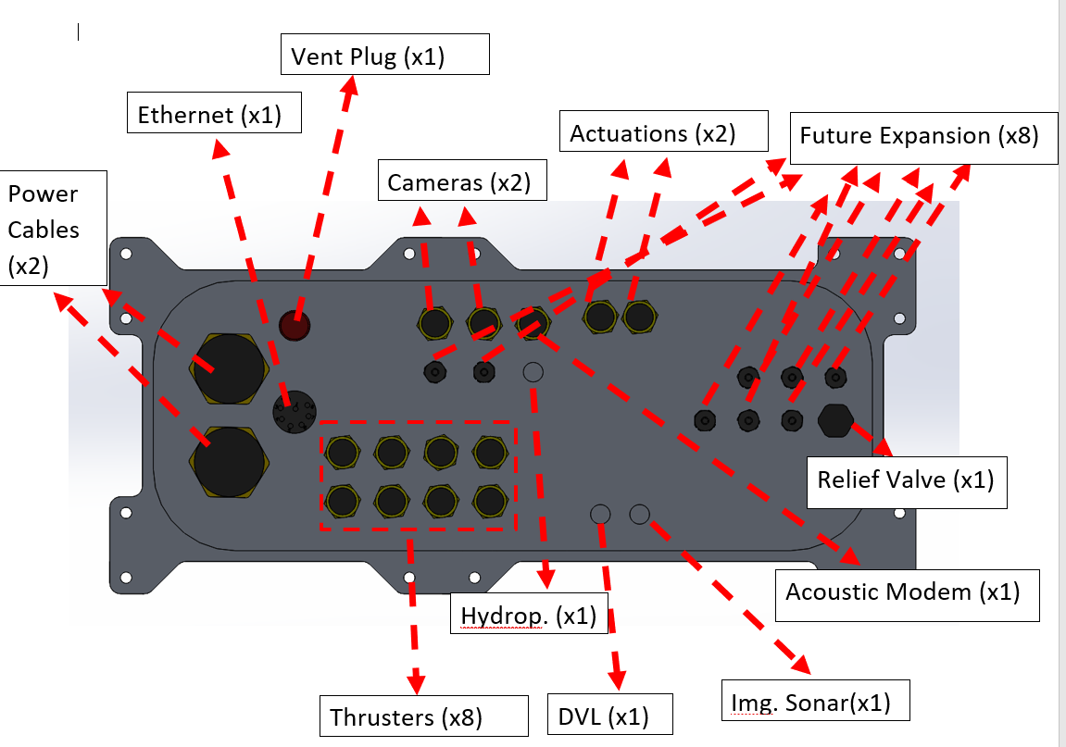

 |  |  |  |  |  |  |  |  |  |  |  | https://bluerobotics.com/store/cables-connectors/wlp-blank/

 |  |  |  |  |  |  |  |  |  |  |  |  |  | k

 |  |  |  |  |  |  |  |  |  |  |  | https://www.subseatechnologies.com/media/files/page/3b045a31/seavent-specsheet-05-28-2020-.pdf
 |  |  |  |  |  |  |  |  |  |  |  | https://www.deepsea.com/seavent-relief-valves/

 |  |  |  |  |  |  | https://www.macartney.com/what-we-offer/systems-and-products/connectors/subconn/subconn-ethernet-series/subconn-ethernet-circular-8-contacts/

 |  |  |  |  |  |  |  |  |  |  | http://www.teledynemarine.com/impulse/support
 |  |  |  |  |  |  |  |  |  |  | Imaging Sonar
 |  |  |  |  |  |  |  |  |  | DVL (NEEDS TO BE CHECKED BY ELECTRICAL TEAM)

